LE TEMPS DES CERISES
LE TEMPS DES CERISES FALL / WINTER
PHOTOS | GENDER | REF | CAT | DESCRIPTION | COL | SIZES | QTY | RETAIL | RETAIL | SEASON | EAN
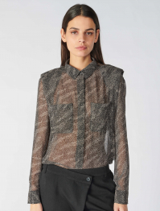 | WOMEN | WINNY | SHIRTS / BLOUSES | LADIES SHIRT WINNY (LONG SLEEVES) | ZEBRA | XS | 553 | 69.90 € | 38,654.70 € | F/W | 3607814199936
 |  |  |  |  |  | S | 1,101 | 69.90 € | 76,959.90 € |  | 3607814199943
 |  |  |  |  |  | M | 1,195 | 69.90 € | 83,530.50 € |  | 3607814199950
 |  |  |  |  |  | L | 611 | 69.90 € | 42,708.90 € |  | 3607814199967
 |  |  |  |  |  | XL | 248 | 69.90 € | 17,335.20 € |  | 3607814199974
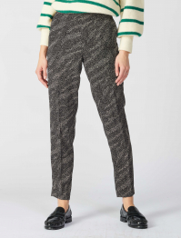 | WOMEN | DORINA | PANTS | PANTALON FEMME DORINA / PANT WOMAN DORINA | ZEBRA | XS | 244 | 89.90 € | 21,935.60 € | F/W | 3607814202957
 |  |  |  |  |  | S | 320 | 89.90 € | 28,768.00 € |  | 3607814202964
 |  |  |  |  |  | M | 284 | 89.90 € | 25,531.60 € |  | 3607814202971
 |  |  |  |  |  | L | 90 | 89.90 € | 8,091.00 € |  | 3607814202988
 |  |  |  |  |  | XL | 30 | 89.90 € | 2,697.00 € |  | 3607814202995
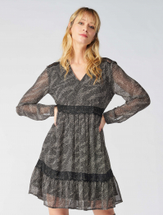 | WOMEN | RENA | DRESS | ROBE FEMME RENA ( MANCHE LONGUE)/ DRESS WOMAN RENA (LONG SLEEVE) | ZEBRA | XS | 552 | 89.90 € | 49,624.80 € | F/W | 3607814250309
 |  |  |  |  |  | S | 1,031 | 89.90 € | 92,686.90 € |  | 3607814250316
 |  |  |  |  |  | M | 1,071 | 89.90 € | 96,282.90 € |  | 3607814250323
 |  |  |  |  |  | L | 593 | 89.90 € | 53,310.70 € |  | 3607814250330
 |  |  |  |  |  | XL | 238 | 89.90 € | 21,396.20 € |  | 3607814250347
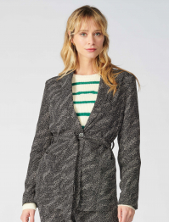 | WOMEN | ZEBRE | JACKETS / COAT / PARKAS | JACKET FEMME ZEBRE (MANCHE LONGUE) / JACQKET WOMAN (LONG SLEEVE) | ZEBRA | XS | 389 | 99.90 € | 38,861.10 € | F/W | 3607814203251
 |  |  |  |  |  | S | 913 | 99.90 € | 91,208.70 € |  | 3607814203268
 |  |  |  |  |  | M | 898 | 99.90 € | 89,710.20 € |  | 3607814203275
 |  |  |  |  |  | L | 508 | 99.90 € | 50,749.20 € |  | 3607814203282
 |  |  |  |  |  | XL | 177 | 99.90 € | 17,682.30 € |  | 3607814203299
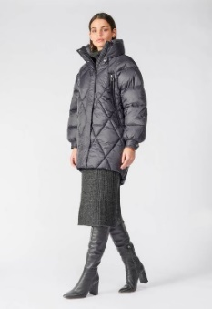 | WOMEN | DOTTI | JACKETS / COAT / PARKAS | DOUDOUNE FEMME DOTTI (ML)/ DOWNJACKET WOMAN (LONG SLEEVE) | BLACK | XS | 46 | 159.90 € | 7,355.40 € | F/W | 3607814205002
 |  |  |  |  |  | S | 52 | 159.90 € | 8,314.80 € |  | 3607814205019
 |  |  |  |  |  | M | 91 | 159.90 € | 14,550.90 € |  | 3607814205026
 |  |  |  |  |  | L | 115 | 159.90 € | 18,388.50 € |  | 3607814205033
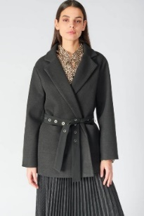 | WOMEN | CHARLOT | JACKETS / COAT / PARKAS | MANTEAU FEMME CHARLOT (ML / COAT WOMAN CHARLOT(LONG SLEEVE) | BLACK | S | 22 | 149.90 € | 3,297.80 € | F/W | 3607814201035
 |  |  |  |  |  | M | 119 | 149.90 € | 17,838.10 € |  | 3607814201042
 |  |  |  |  |  | L | 130 | 149.90 € | 19,487.00 € |  | 3607814201059
 |  |  |  |  |  | XL | 48 | 149.90 € | 7,195.20 € |  | 3607814201066
 | WOMEN | BEVERLY | PANTS | PANTALON FEMME BEVERLY / PANT BEVERLY | DARK BLUE | XS | 264 | 79.90 € | 21,093.60 € | F/W | 3607814204456
 |  |  |  |  |  | S | 388 | 79.90 € | 31,001.20 € |  | 3607814204463
 |  |  |  |  |  | M | 349 | 79.90 € | 27,885.10 € |  | 3607814204470
 |  |  |  |  |  | L | 167 | 79.90 € | 13,343.30 € |  | 3607814204487
 |  |  |  |  |  | XL | 88 | 79.90 € | 7,031.20 € |  | 3607814204494
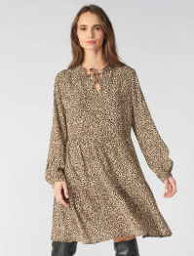 | WOMEN | ELLIOTT | DRESS | ROBE FEMME ELLIOT( MANCHE LONGUE)/ DRESS WOMAN ELLIOTT(LONG SLEEVE) | LEOPARD | XS | 280 | 79.90 € | 22,372.00 € | F/W | 3607814197277
 |  |  |  |  |  | S | 474 | 79.90 € | 37,872.60 € |  | 3607814197284
 |  |  |  |  |  | M | 518 | 79.90 € | 41,388.20 € |  | 3607814197291
 |  |  |  |  |  | L | 238 | 79.90 € | 19,016.20 € |  | 3607814197307
 |  |  |  |  |  | XL | 110 | 79.90 € | 8,789.00 € |  | 3607814197314
 | WOMEN | HABBES | DRESS | ROBE FEMME HABBES (MANCHE LONGUE) DRESS WOMAN HABBES(LONG SLEEVE) | CARMINE | XS | 317 | 89.90 € | 28,498.30 € | F/W | 3607814200823
 |  |  |  |  |  | S | 598 | 89.90 € | 53,760.20 € |  | 3607814200830
 |  |  |  |  |  | M | 608 | 89.90 € | 54,659.20 € |  | 3607814200847
 |  |  |  |  |  | L | 327 | 89.90 € | 29,397.30 € |  | 3607814200854
 |  |  |  |  |  | XL | 215 | 89.90 € | 19,328.50 € |  | 3607814200861
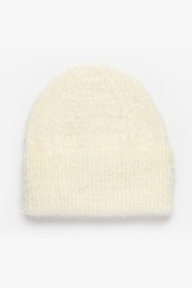 | FEMME | HILLA | BUNNY | BONNET FEMME HILLA I / HAT WOMAN HILLA | IVOIRE | UN | 270 | 24.99 € | 6,747.30 € | F/W | 3607814373800
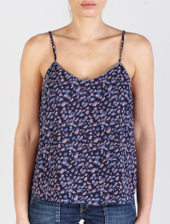 | WOMEN | VEGA | SHIRTS / BLOUSES | TOP FEMME VEGA (SANS MACNHE) / TOP VEGA (WITHOUT SLEEVE) | STONE LOVE | XS | 345 | 49.99 € | 17,246.55 € | F/W | 3607814340888
 |  |  |  |  |  | S | 569 | 49.99 € | 28,444.31 € |  | 3607814340895
 |  |  |  |  |  | M | 455 | 49.99 € | 22,745.45 € |  | 3607814340901
 |  |  |  |  |  | L | 175 | 49.99 € | 8,748.25 € |  | 3607814340918
 |  |  |  |  |  | XL | 91 | 49.99 € | 4,549.09 € |  | 3607814340925
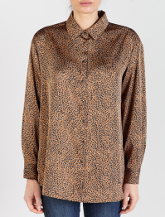 | WOMEN | LIRIS | SHIRTS / BLOUSES | LADIES SHIRT LIRIS (LONG SLEEVES) | LATTE | XS | 24 | 79.99 € | 1,919.76 € | F/W | 3607814327858
 |  |  |  |  |  | S | 164 | 79.99 € | 13,118.36 € |  | 3607814327865
 |  |  |  |  |  | M | 223 | 79.99 € | 17,837.77 € |  | 3607814327872
 |  |  |  |  |  | L | 55 | 79.99 € | 4,399.45 € |  | 3607814327889
 |  |  |  |  |  | XL | 9 | 79.99 € | 719.91 € |  | 3607814327896
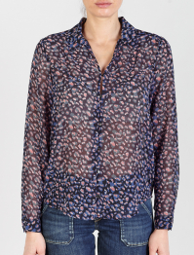 | WOMEN | LUZ | SHIRTS / BLOUSES | LADIES SHIRT LUZ (LONG SLEEVES) | STONE LOVE | XS | 366 | 69.99 € | 25,616.34 € | F/W | 3607814340772
 |  |  |  |  |  | S | 419 | 69.99 € | 29,325.81 € |  | 3607814340789
 |  |  |  |  |  | M | 570 | 69.99 € | 39,894.30 € |  | 3607814340796
 |  |  |  |  |  | L | 186 | 69.99 € | 13,018.14 € |  | 3607814340802
 |  |  |  |  |  | XL | 104 | 69.99 € | 7,278.96 € |  | 3607814340819
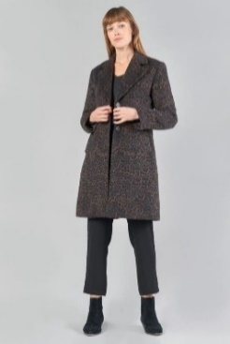 | WOMEN | AGATHE | JACKETS / COAT / PARKAS | JACKET FEMME AGATHE (MANCHE LONGUE) / JACQKET WOMAN (LONG SLEEVE) | LEO | XS | 161 | 189.99 € | 30,588.39 € | F/W | 3607814343735
 |  |  |  |  |  | S | 172 | 189.99 € | 32,678.28 € |  | 3607814343742
 |  |  |  |  |  | M | 34 | 189.99 € | 6,459.66 € |  | 3607814343759
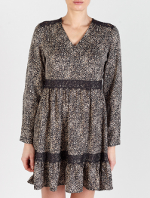 | WOMEN | HUERTA | DRESS | ROBE FEMME HUERTA (MANCHE LONGUE) DRESS WOMAN HUERTA (LONG SLEEVE) | BLACK | XS | 240 | 89.99 € | 21,597.60 € | F/W | 3607814344855
 |  |  |  |  |  | S | 292 | 89.99 € | 26,277.08 € |  | 3607814344862
 |  |  |  |  |  | M | 240 | 89.99 € | 21,597.60 € |  | 3607814344879
 |  |  |  |  |  | L | 173 | 89.99 € | 15,568.27 € |  | 3607814344886
 |  |  |  |  |  | XL | 41 | 89.99 € | 3,689.59 € |  | 3607814344893
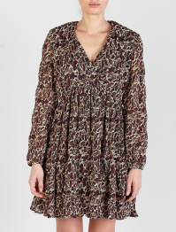 | WOMEN | MIHABEL | DRESS | ROBE FEMME MIHABEL(MANCHE LONGUE) DRESS WOMAN MIHABEL(LONG SLEEVE) | WINE | XS | 379 | 99.99 € | 37,896.21 € | F/W | 3607814333347
 |  |  |  |  |  | S | 729 | 99.99 € | 72,892.71 € |  | 3607814333354
 |  |  |  |  |  | M | 758 | 99.99 € | 75,792.42 € |  | 3607814333361
 |  |  |  |  |  | L | 324 | 99.99 € | 32,396.76 € |  | 3607814333378
 |  |  |  |  |  | XL | 91 | 99.99 € | 9,099.09 € |  | 3607814333385
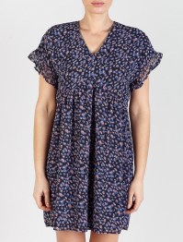 | WOMEN | PAOLA | DRESS | ROBE FEMME PAOLA (MANCHE COURTE) / DRESS PAOLA (SHORT SLEEVE) | STONE LOVE | XS | 328 | 79.99 € | 26,236.72 € | F/W | 3607814340673
 |  |  |  |  |  | S | 674 | 79.99 € | 53,913.26 € |  | 3607814340680
 |  |  |  |  |  | M | 565 | 79.99 € | 45,194.35 € |  | 3607814340697
 |  |  |  |  |  | L | 352 | 79.99 € | 28,156.48 € |  | 3607814340703
 |  |  |  |  |  | XL | 135 | 79.99 € | 10,798.65 € |  | 3607814340710
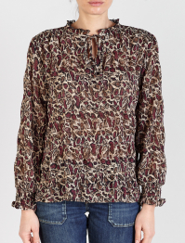 | WOMEN | JANEK | SHIRTS / BLOUSES | TOP FEMME JANEK (MANCHE LONGUE) / TOP WOMAN JANEK (LONG SLEEVE) | WINE | XS | 402 | 69.99 € | 28,135.98 € | F/W | 3607814343834
 |  |  |  |  |  | S | 848 | 69.99 € | 59,351.52 € |  | 3607814343841
 |  |  |  |  |  | M | 856 | 69.99 € | 59,911.44 € |  | 3607814343858
 |  |  |  |  |  | L | 486 | 69.99 € | 34,015.14 € |  | 3607814343865
 |  |  |  |  |  | XL | 217 | 69.99 € | 15,187.83 € |  | 3607814343872
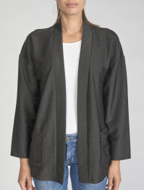 | FEMME | SOBRADO | JACKETS / COAT / PARKAS | VESTE FEMME SOBRADO (ML / JACKET WOMAN SOBRADO(LONG SLEEVE) | BLACK | XS | 55 | 69.99 € | 3,849.45 € | F/W | 3607814263712
 |  |  |  |  |  | S | 170 | 69.99 € | 11,898.30 € |  | 3607814263729
 |  |  |  |  |  | M | 110 | 69.99 € | 7,698.90 € |  | 3607814263736
 |  |  |  |  |  | L | 66 | 69.99 € | 4,619.34 € |  | 3607814263743
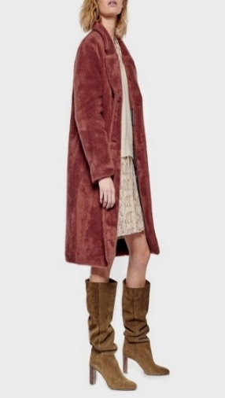 | WOMEN | LIZE | JACKETS / COAT / PARKAS | MANTEAU FEMME LIZE(ML / COAT WOMAN LIZE (LONG SLEEVE) | OLD PINK | XS | 72 | 159.90 € | 11,512.80 € | F/W | 3607814052675
 |  |  |  |  |  | S | 86 | 159.90 € | 13,751.40 € |  | 3607814052682
 |  |  |  |  |  | M | 93 | 159.90 € | 14,870.70 € |  | 3607814052699
 |  |  |  |  |  | L | 2 | 159.90 € | 319.80 € |  | 3607814052705
 | FEMME | CRUZ | SCARVES | FOULARD FEMME CRUZ / SCARF WOMAN CRUZ | BLACK | UN | 735 | 19.90 € | 14,626.50 € | F/W | 3607813831004
 |  |  |  |  | LIPSTICK | UN | 691 | 19.90 € | 13,750.90 € |  | 3607813831011
 |  |  |  |  | SIERRA | UN | 766 | 19.90 € | 15,243.40 € |  | 3607813830984
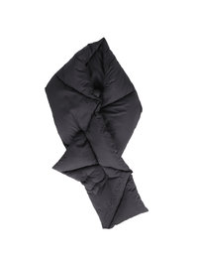 | FEMME | AGLAE | SCARVES | ECHARPE FEMME AGLAE / SCARF WOMAN AGLAE | BLACK | UN | 547 | 34.90 € | 19,090.30 € | F/W | 3607813731489
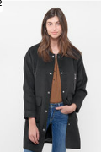 | FEMME | WILD | JACKETS / COAT / PARKAS | MANTEAU FEMME WILD (ML / COAT WOMAN WILD (LONG SLEEVE) | BLACK | XS | 80 | 159.90 € | 12,792.00 € | F/W | 3607813756468
 |  |  |  |  |  | S | 170 | 159.90 € | 27,183.00 € |  | 3607813756475
 |  |  |  |  |  | M | 50 | 159.90 € | 7,995.00 € |  | 3607813756482
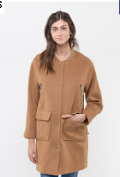 | FEMME | WILD | JACKETS / COAT / PARKAS | MANTEAU FEMME WILD (ML / COAT WOMAN WILD (LONG SLEEVE) | CARAMEL | XS | 118 | 159.90 € | 18,868.20 € | F/W | 3607813790899
 |  |  |  |  |  | S | 220 | 159.90 € | 35,178.00 € |  | 3607813790905
 |  |  |  |  |  | M | 122 | 159.90 € | 19,507.80 € |  | 3607813790912
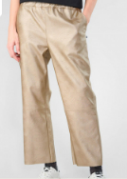 | WOMEN | ANDREE | PANTS | PANTALON FEMME ANDREE / PANT ANDREE | CHAMPAGNE | XS | 218 | 69.99 € | 15,257.82 € | F/W | 3607814483257
 |  |  |  |  |  | S | 416 | 69.99 € | 29,115.84 € |  | 3607814483264
 |  |  |  |  |  | M | 432 | 69.99 € | 30,235.68 € |  | 3607814483271
 |  |  |  |  |  | L | 261 | 69.99 € | 18,267.39 € |  | 3607814483288
 |  |  |  |  |  | XL | 107 | 69.99 € | 7,488.93 € |  | 3607814483295
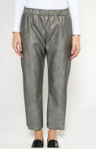 | WOMEN | ANDREE | PANTS | PANTALON FEMME ANDREE / PANT ANDREE | GUNMETAL | XS | 139 | 69.99 € | 9,728.61 € | F/W | 3607814475993
 |  |  |  |  |  | S | 202 | 69.99 € | 14,137.98 € |  | 3607814476006
 |  |  |  |  |  | M | 248 | 69.99 € | 17,357.52 € |  | 3607814476013
 |  |  |  |  |  | L | 148 | 69.99 € | 10,358.52 € |  | 3607814476020
 |  |  |  |  |  | XL | 61 | 69.99 € | 4,269.39 € |  | 3607814476037
TOTAL LE TEMPS DES CERISES |  |  |  |  |  |  | 35,517 | 80.46 € | 2,857,607.25 €

